M&E Form
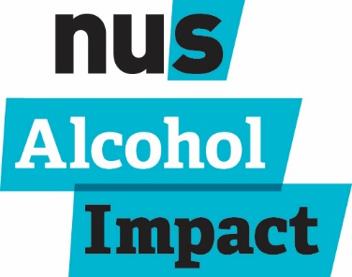
 |  |  |  | Alcohol Impact Data Tracking |  |  |  |  | Please keep track of your reach and engagement throughout your participation in the programme. The separation of reach and engagement should allow you to diferentiate between those who have been exposed to the topic versus those who have meaningfully interacted with it.

 |  |  |  | Name of partnership:
 |  |  |  | Total student population:
 |  |  |  | Total staff population (institution):
 |  |  |  | Total staff population (students' union):

Related Criterion | KPI (if relevant) | Activity | Method | Date | Short Description | Students Reached | Students Engaged | Student Groups Reached | Student Groups Engaged | Staff Reached | Staff Engaged | Key changes observed | Evidence of positive outcomes for welfare and wellbeing | Evidence of positive outcomes for academic attainment | Evidence of positive outcomes for alcohol related crime and anti-social behaviour | Evidence of an institution-wide collaborative approach
If this relates to a specific criterion, please note here. | If this relates to a specific KPI the partnership has set, please note here. | Event, project, intervention, campaign, survey, research, email, social media, other (please specify) | Details of how evidence was gathered |  |  | Reach is defined as all students who have come into contact with the activity. | Engagement is defined as students who have been involved or interacted with the activity at a greater level. |  |  |  |  | What differences, if any can you see when comparing results from one year to another, or between baseline and follow-up research? | What differences, changes or feedback have you observed in the areas of welfare and wellbeing? | What differences, changes or feedback have you observed in the area of academic attainment? | What differences, changes or feedback have you observed in the areas of crime and anti-social behaviour? | How has the partnership worked together to deliver this action / achieve this change?
EXAMPLE: AI-35 |  | Event - games evening in halls | Focus group with participating students | May-15 | Ran a series of games evenings with food available | 75 | 5 | 3 | 3 | N/A | N/A | Students provided verbal feedback that they enjoyed the events. Feedback forms highlighted that 20 attendees (out of 70) agreed that the events had meant that they drunk less alcohol on that night. | Feedback forms highlighted of those attendees who do not drink, two thirds felt comfortable attending the events and enjoyed the chance to socialise in an alcohol-free setting. |  |  | Students' union staff liaised with halls managers in university owned halls to put on the events. Funding provided by both partners.
EXAMPLE: AI-44 |  | Survey | Survey | Oct/Nov 2015 | Promoted the NUS students and alcohol survey | 1500 | 8 | N/A | N/A | N/A | 20 | Reduction in number of respondents reporting to think they need to get drunk to have a good night out between 2014 and 2015 (65%, n=154 to 60%, n=126) |  | Significant decrease in survey respondents reporting that they missed lectures/seminars as a result of alcohol consumption between 2015 and 2016 (35%, n=63 compared to 24%, n=54). | Significant decrease in students reporting to be victims of crime between 2015 and 2016 in the central survey (10% n=25 compared with 7.5% n=19)

Total overall: |  | 0 |  |  | Totals: | 0 | 0 | 0 | 0 | 0 | 0

